COMMODITY
LONG TERM

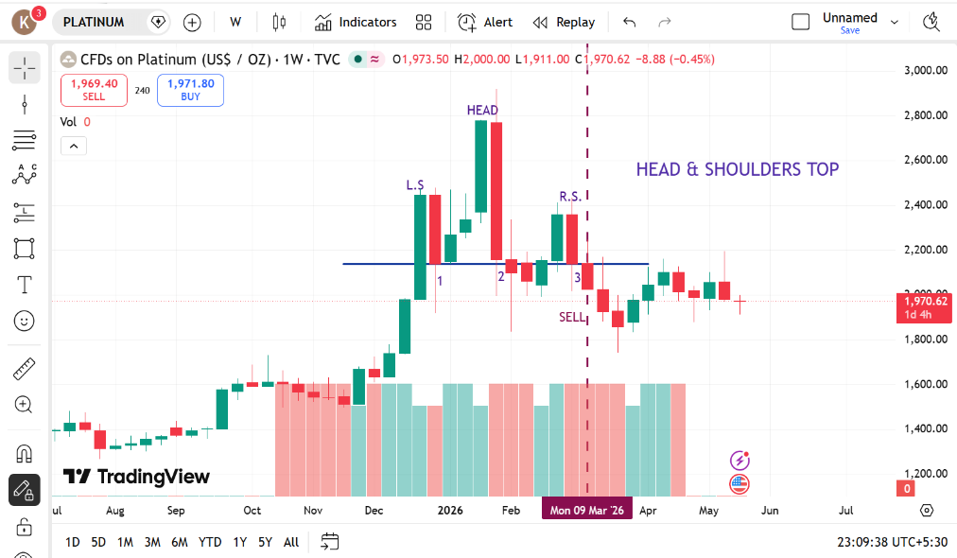
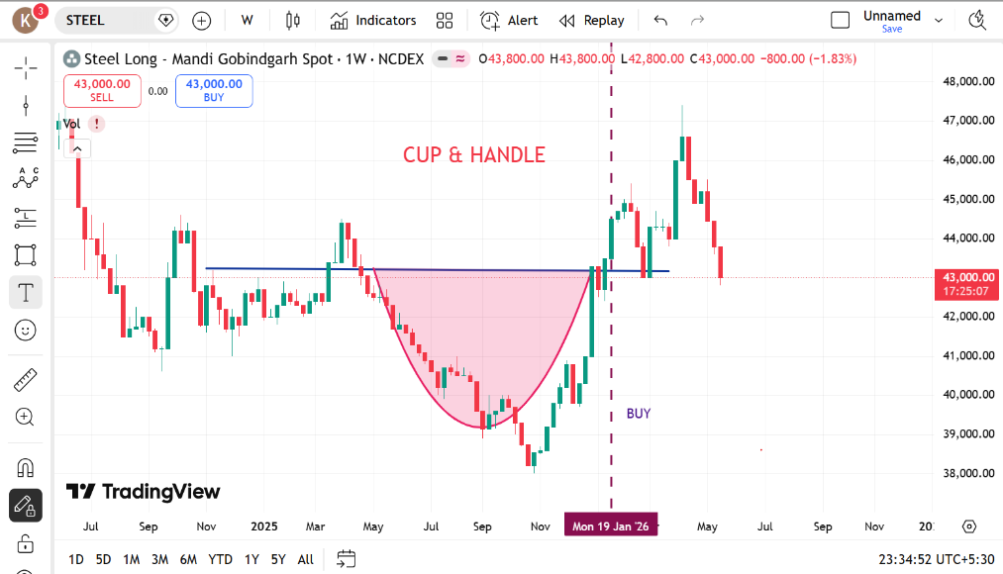
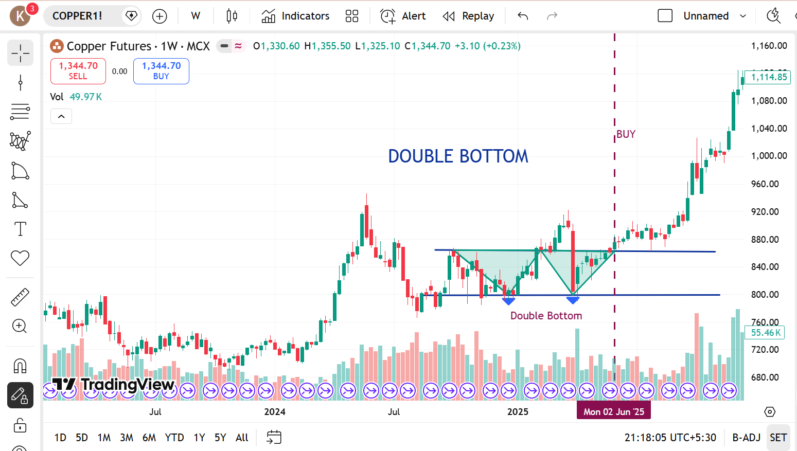

 | PLATINUM |  | STEEL |  | COPPER
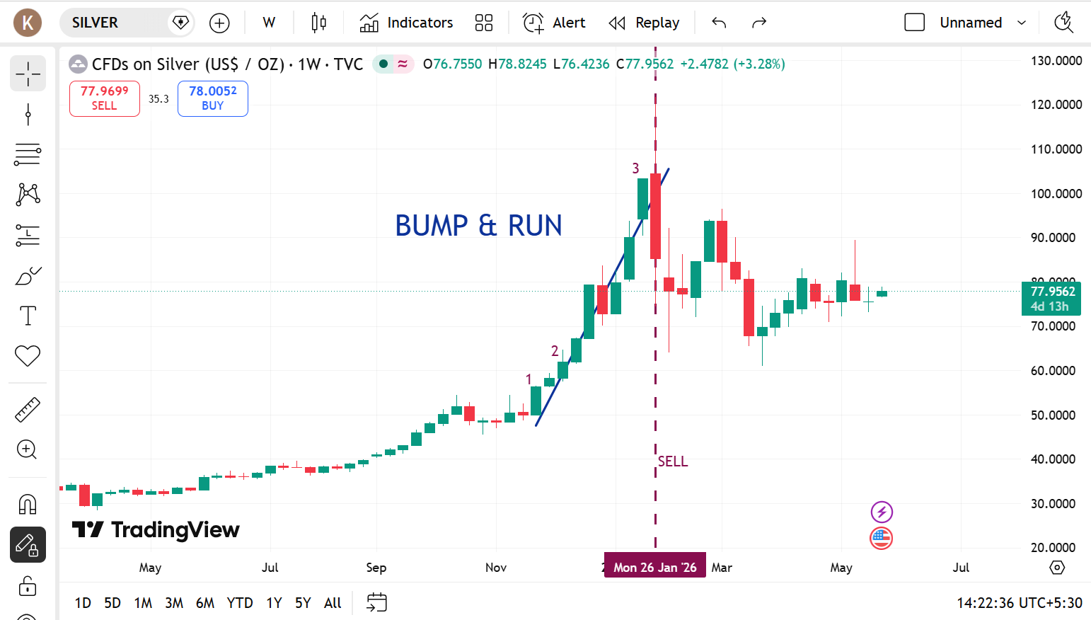
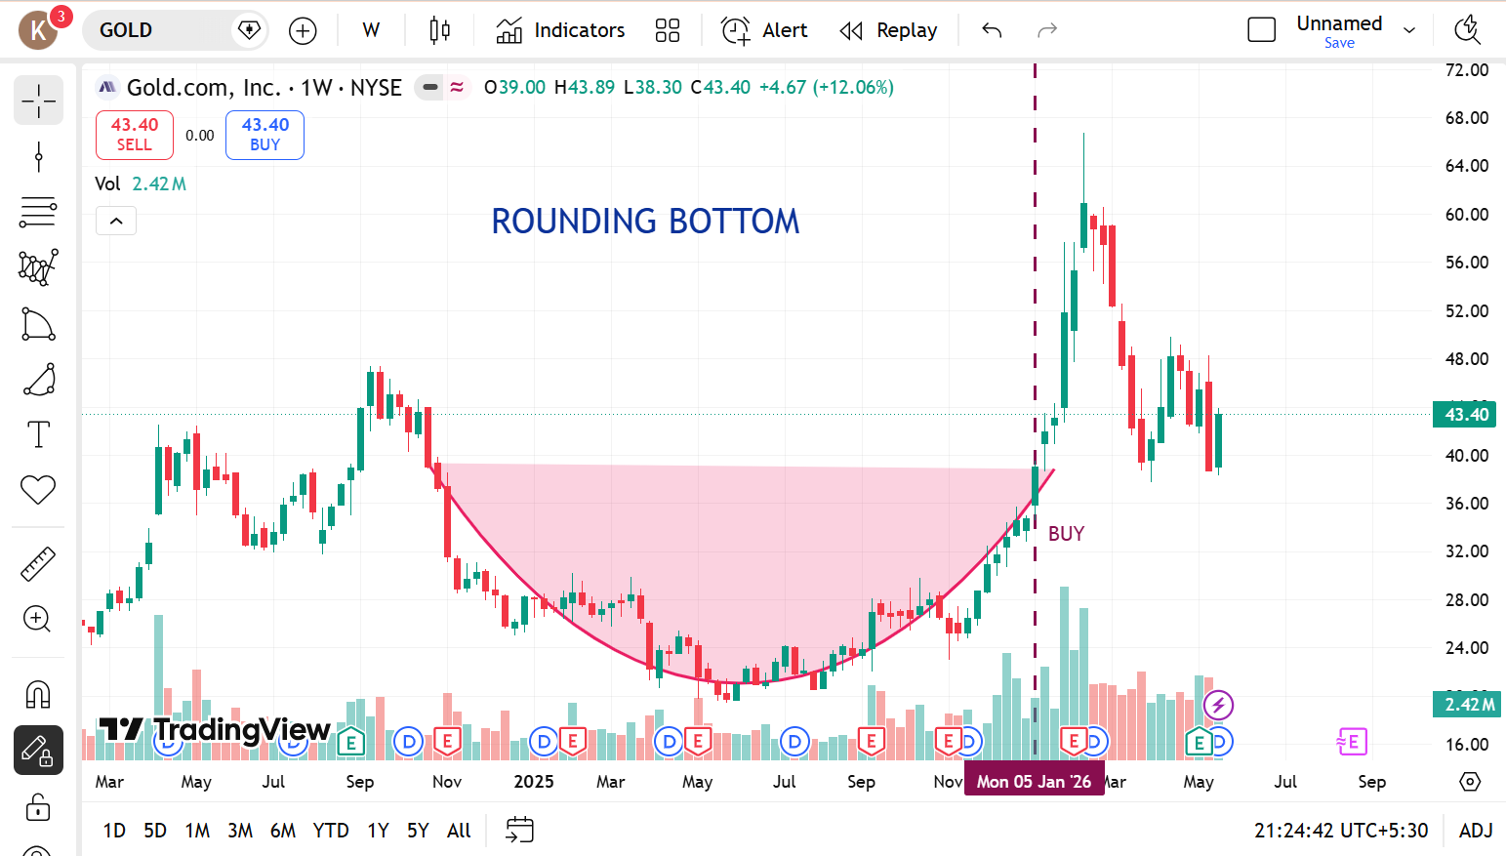

 |  | GOLD |  | SILVER

SWING TRADING

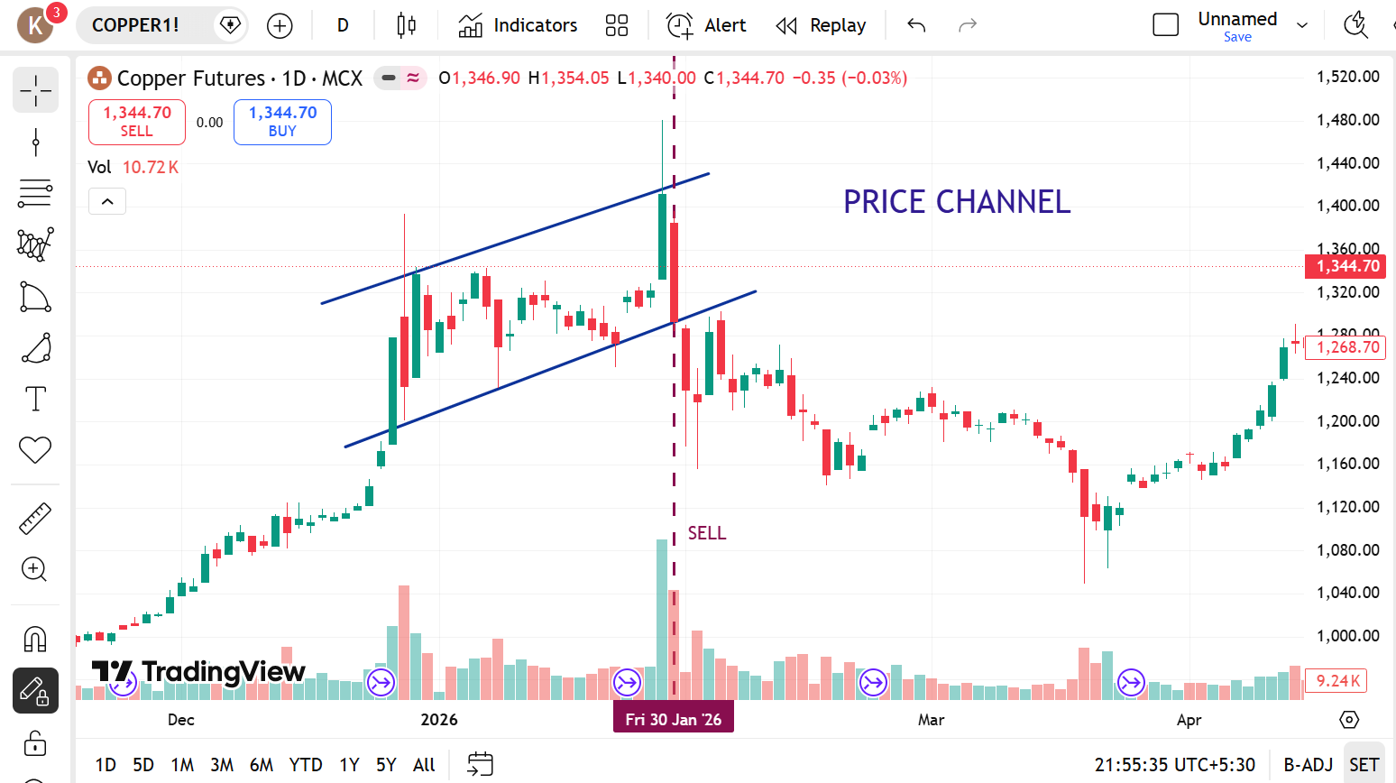
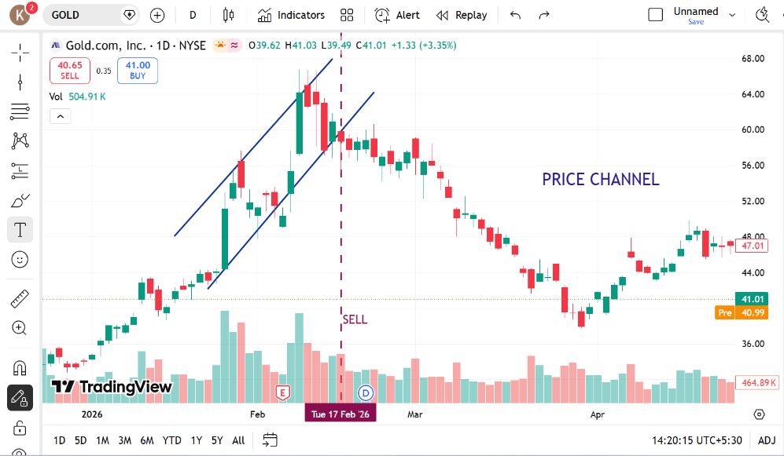
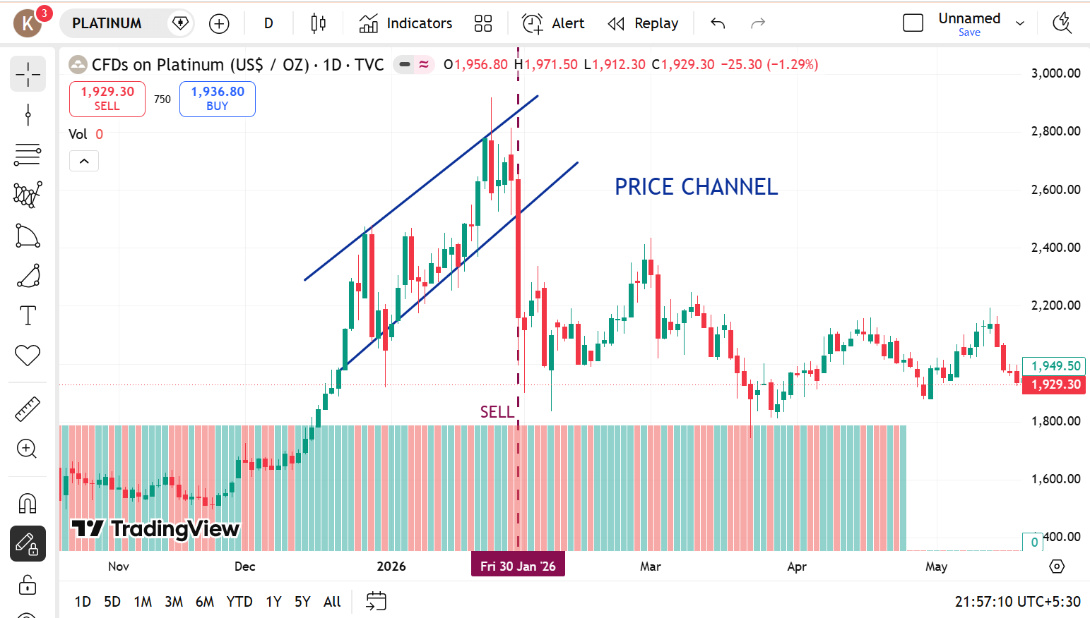

 | COPPER |  | GOLD |  | PLATINUM

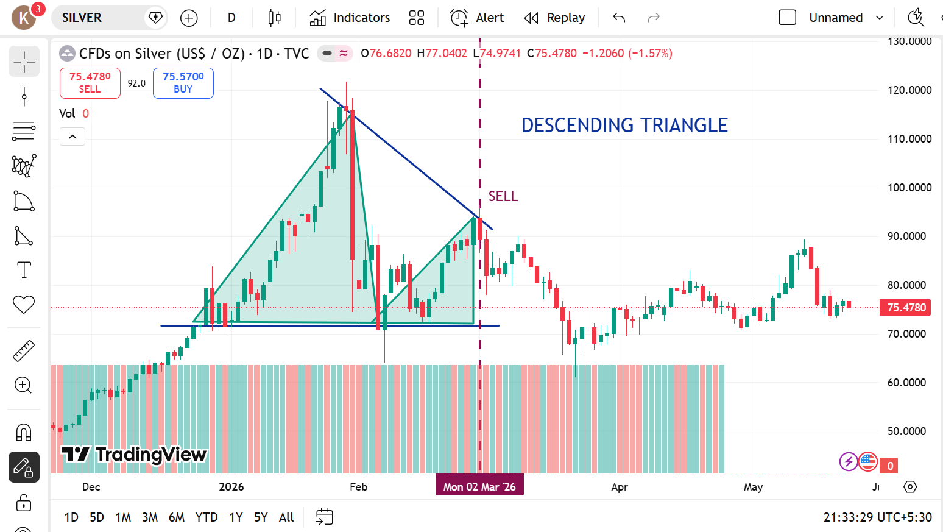
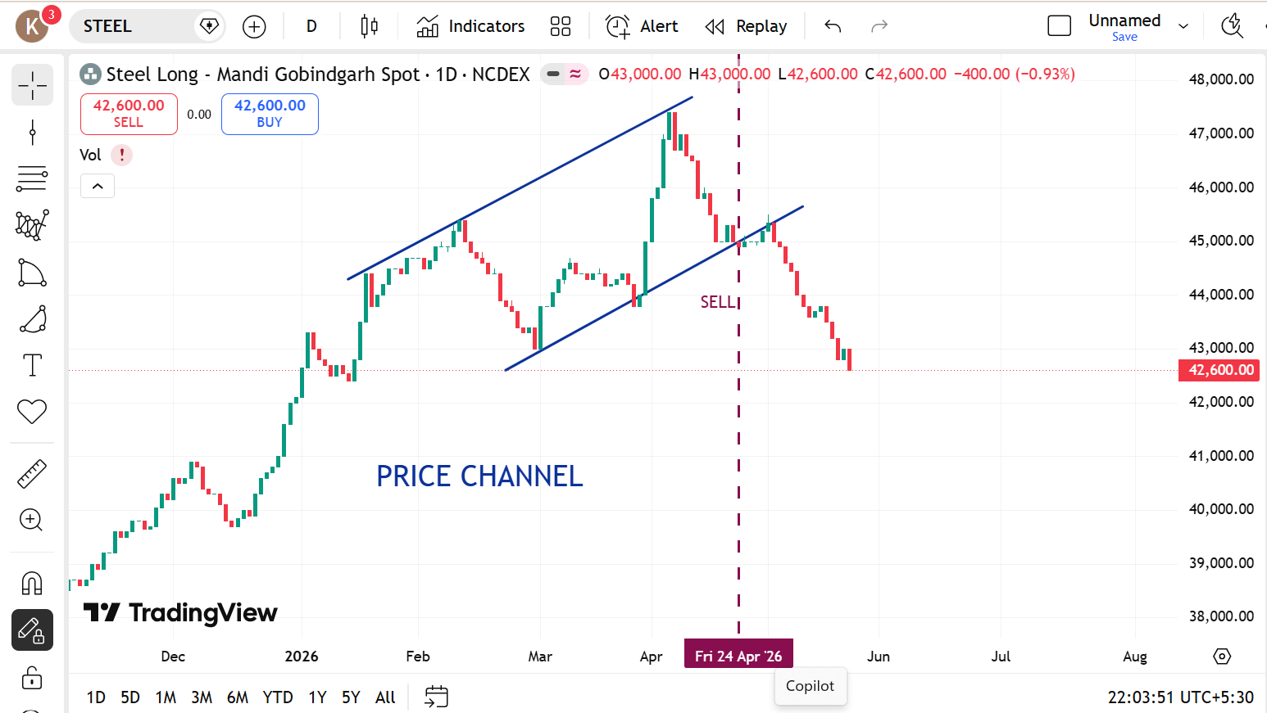

 |  | SILVER |  | STEEL

SHORT TERM

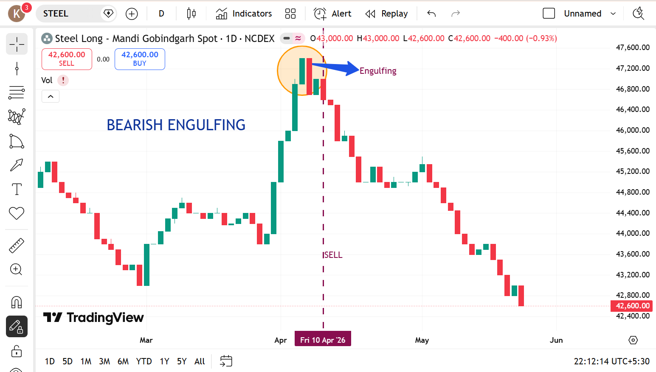
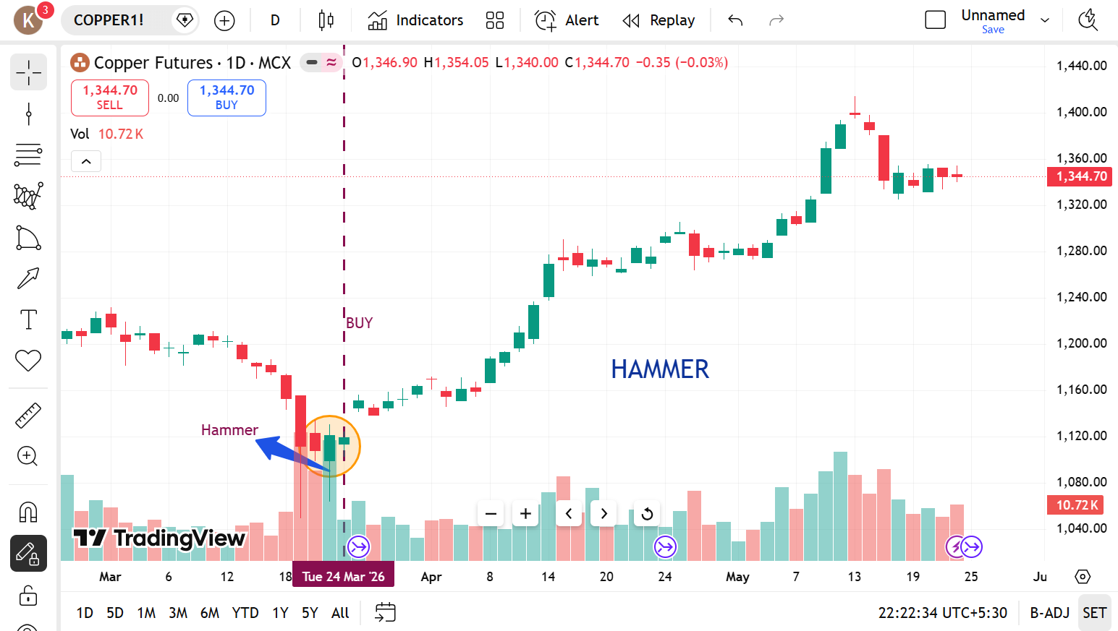
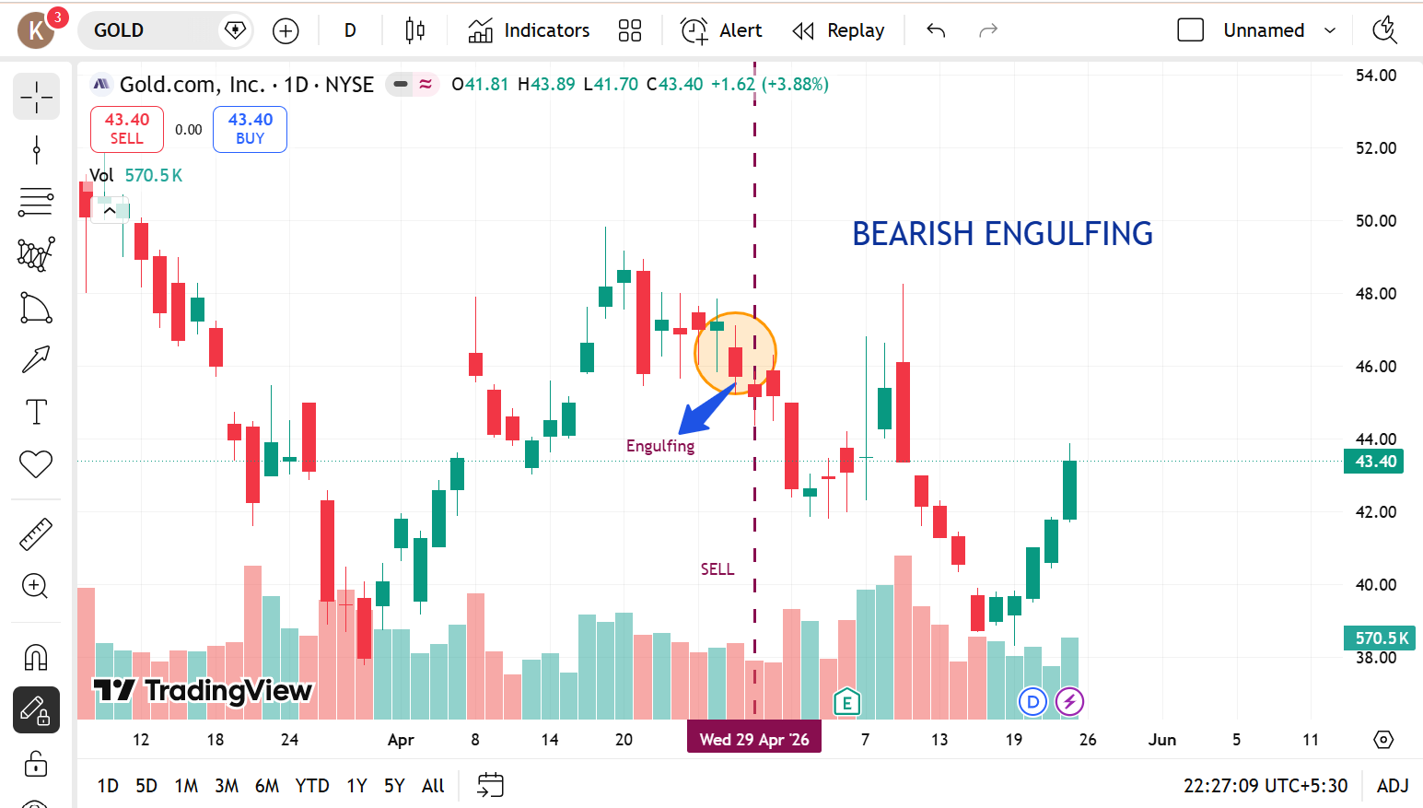

 | STEEL |  | COPPER |  | GOLD

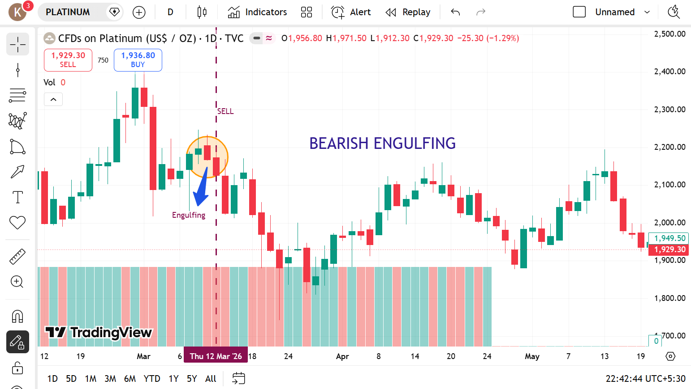
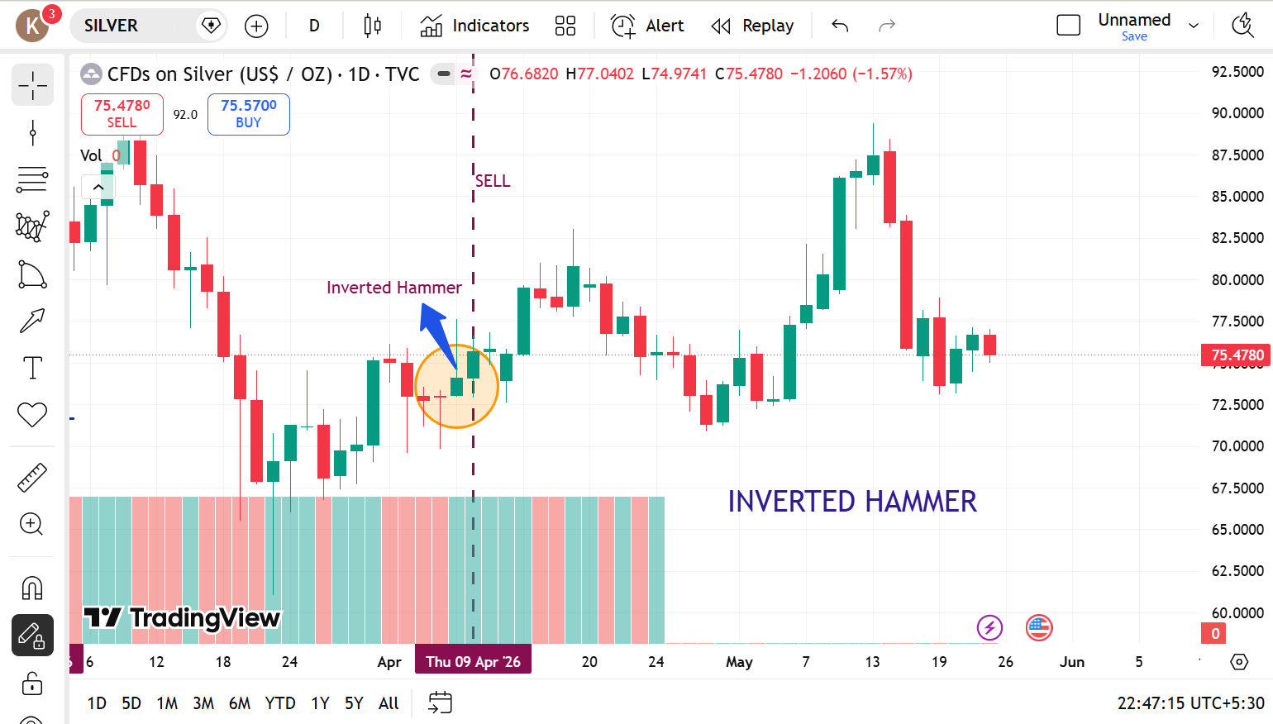

 |  | PLATINUM |  | SILVER

CRYPTO
LONG TERM

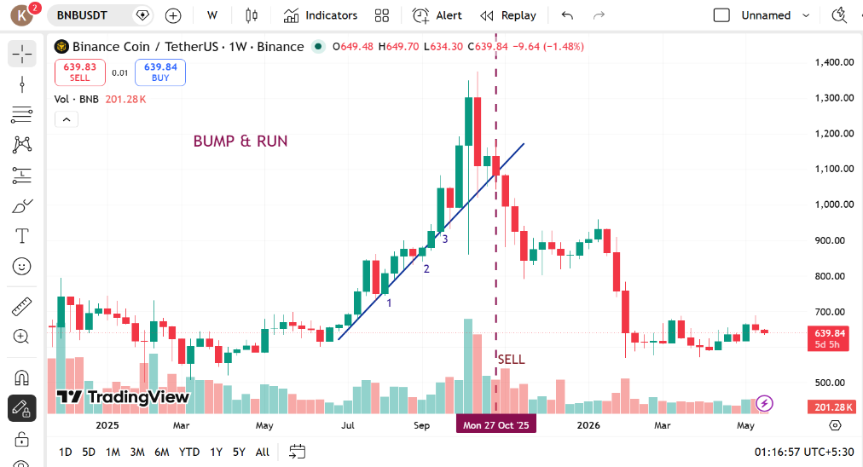
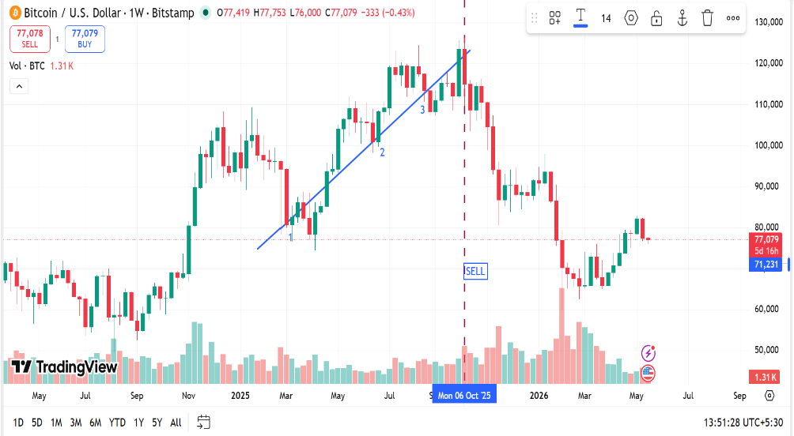
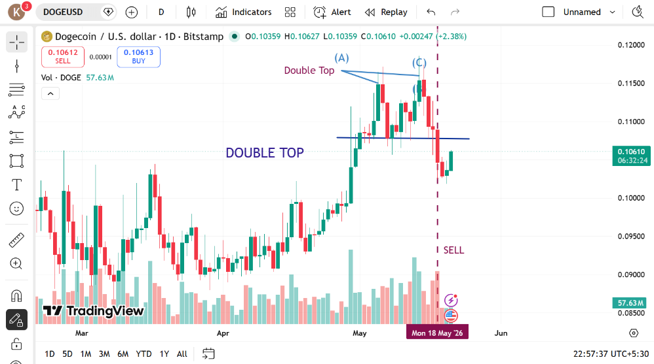

 | BINANCE COIN |  | BITCOIN |  | DOGECOIN
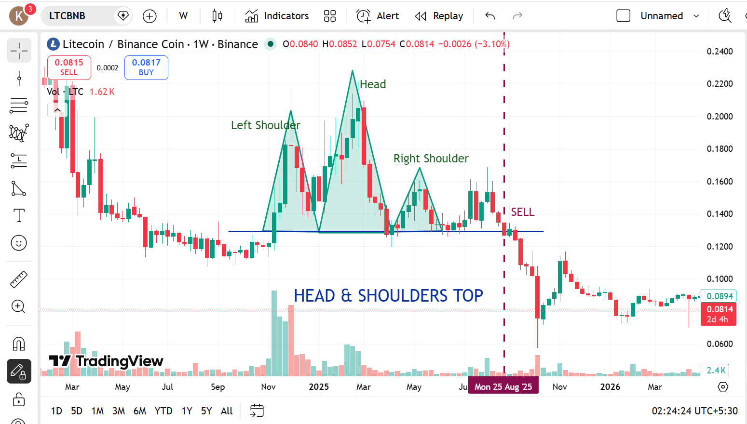
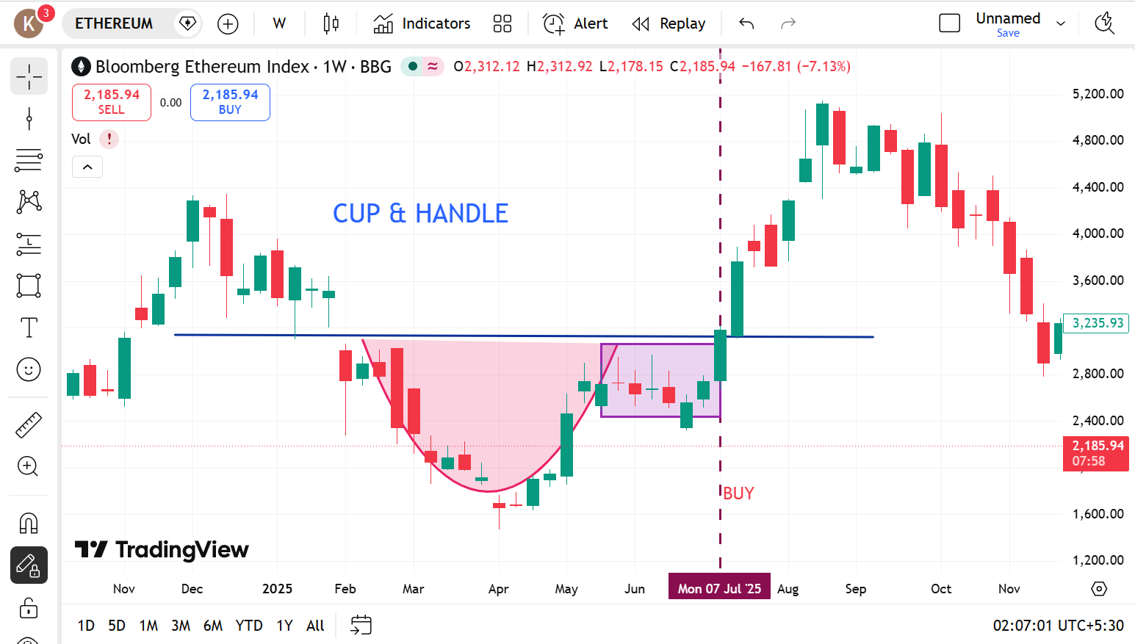

 |  | ETHEREUM |  | LITECOIN

SWING TRADING

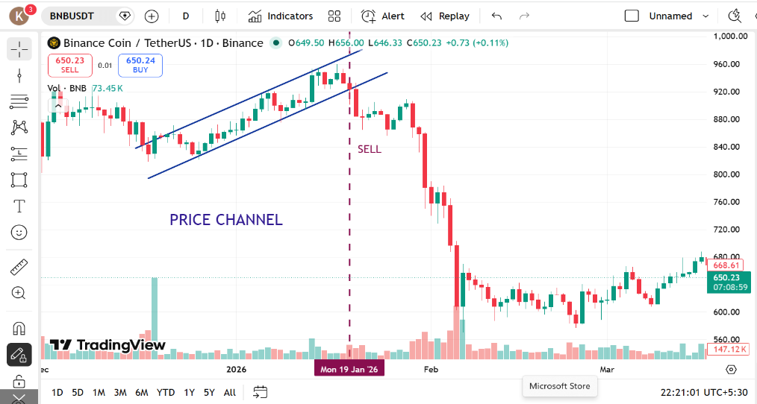
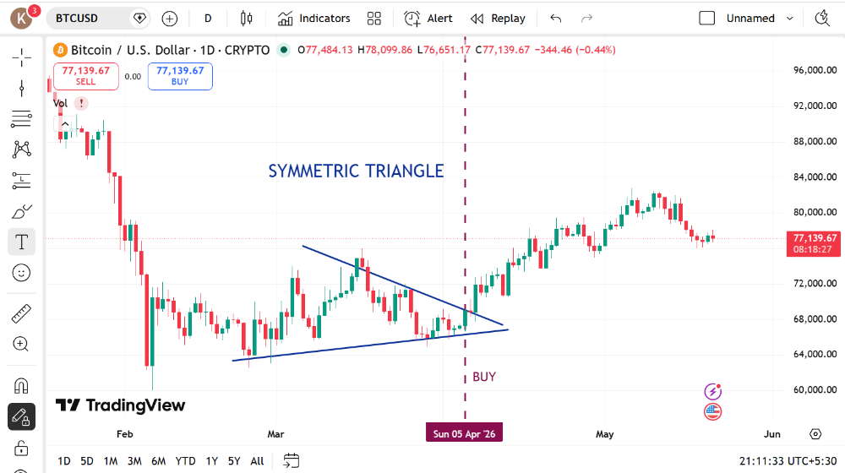
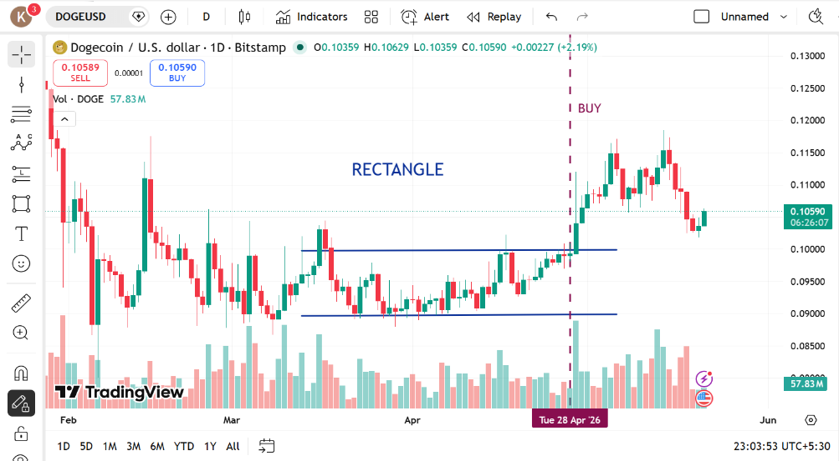

 | BINANCE COIN |  | BITCOIN |  | DOGECOIN

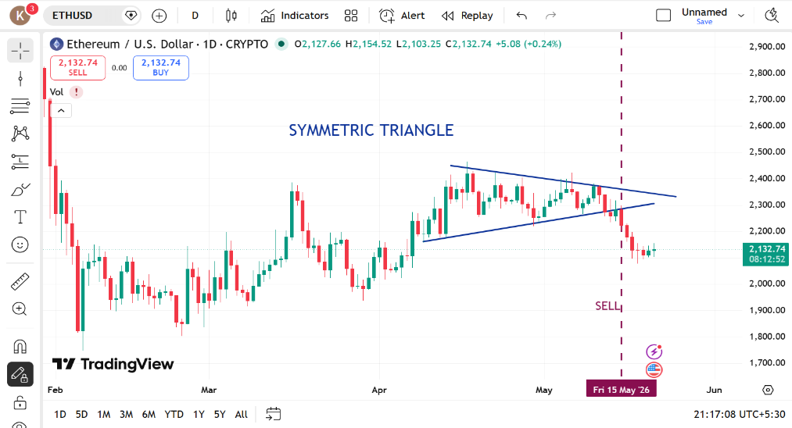
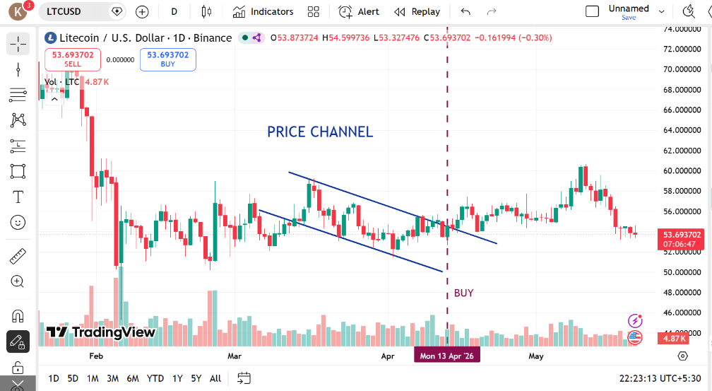

 |  | ETHEREUM |  | LITECOIN

SHORT TERM

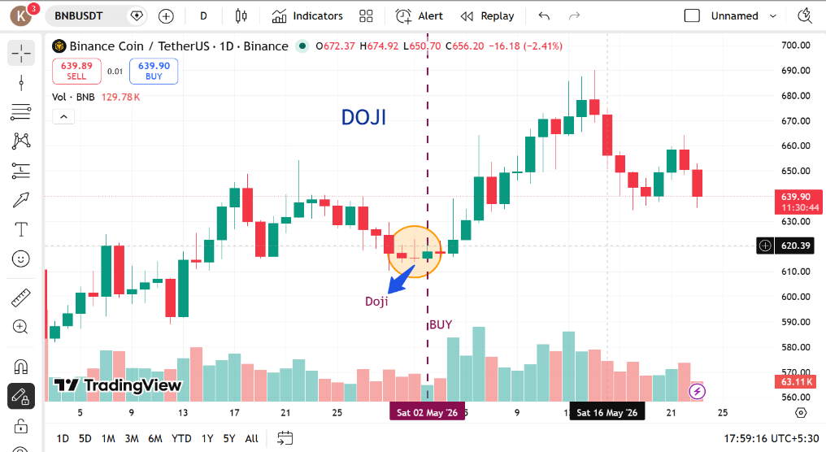
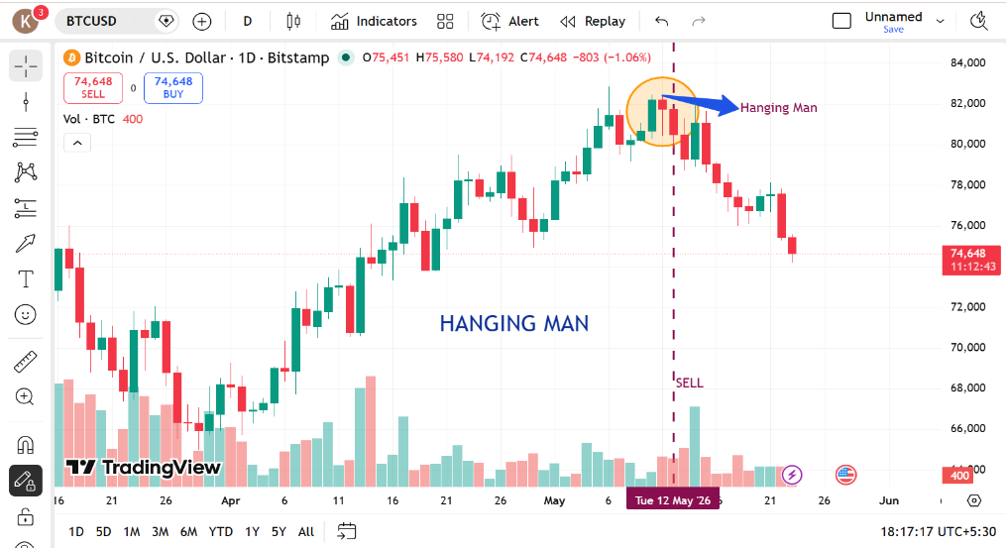
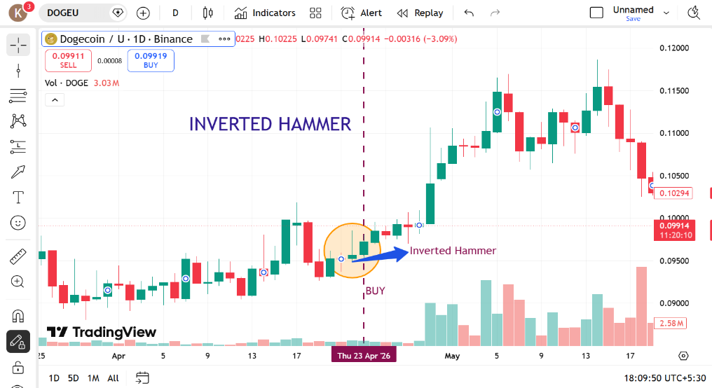

 | BINANCE COIN |  | BITCOIN |  | DOGECOIN

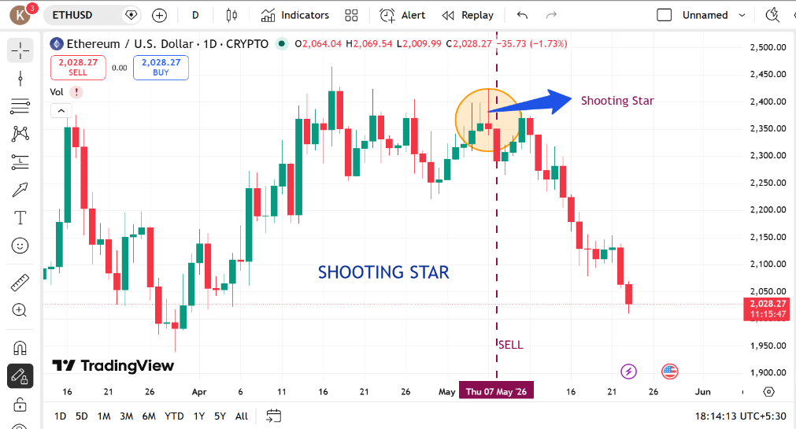
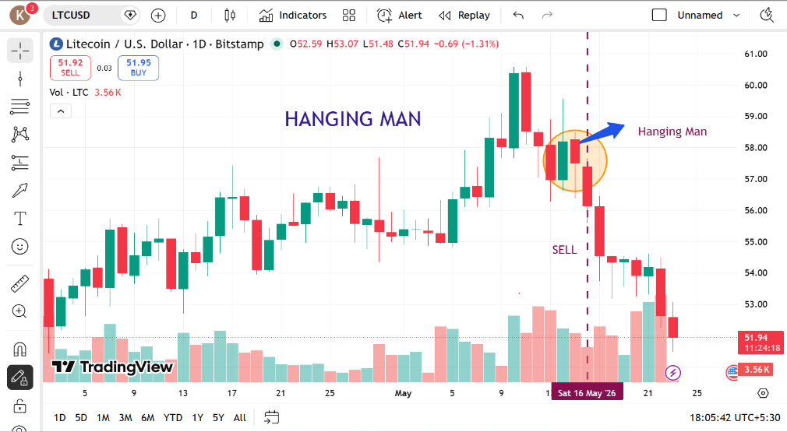

 |  | ETHEREUM |  | LITECOIN

US STOCKS
LONG TERM

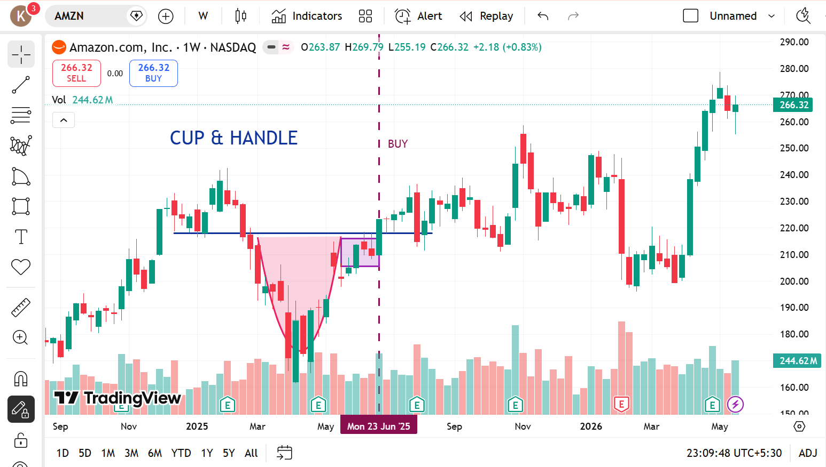
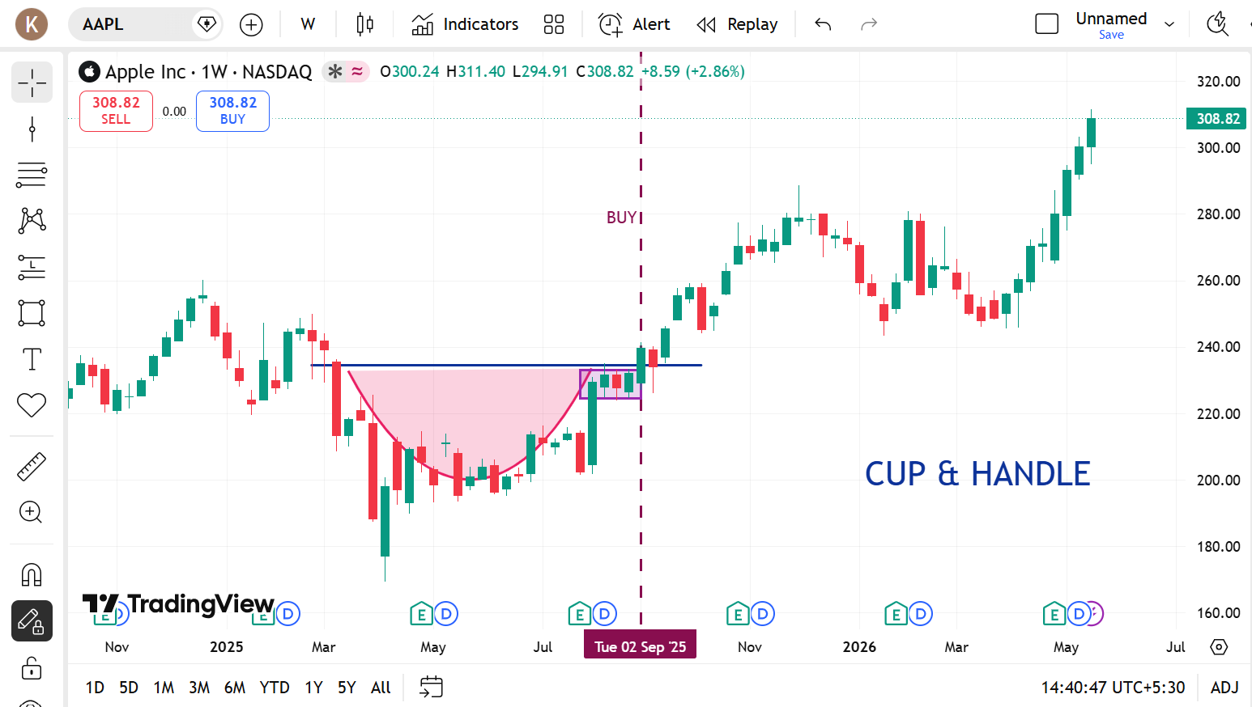
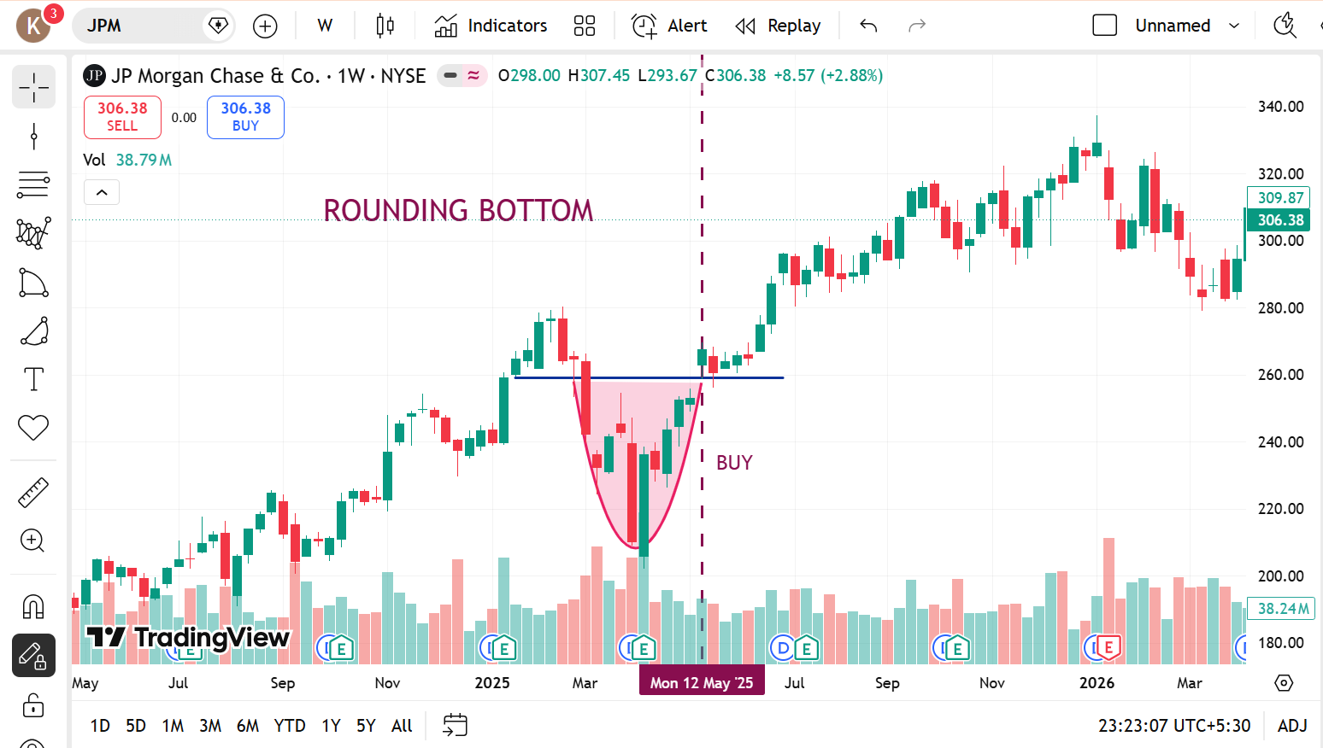

 | AMAZON |  | APPLE |  | JP MORGAN

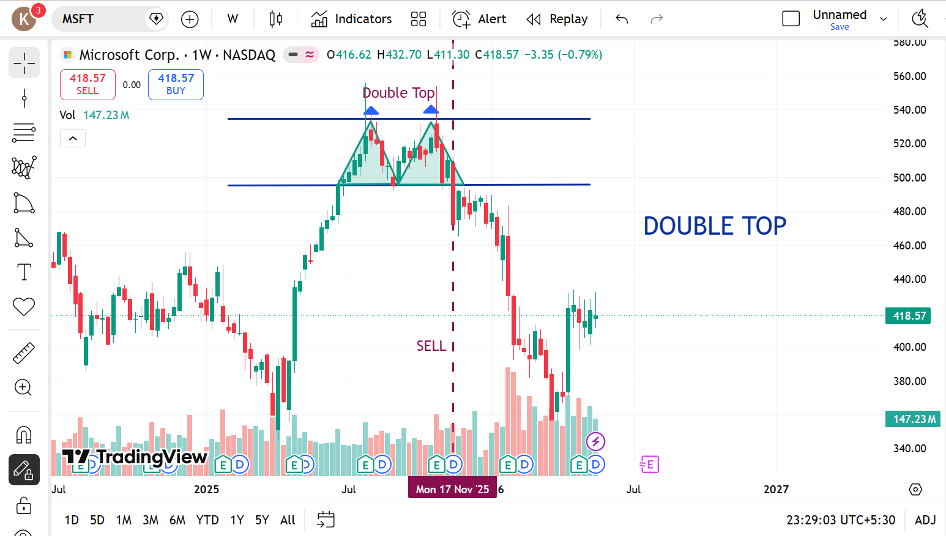
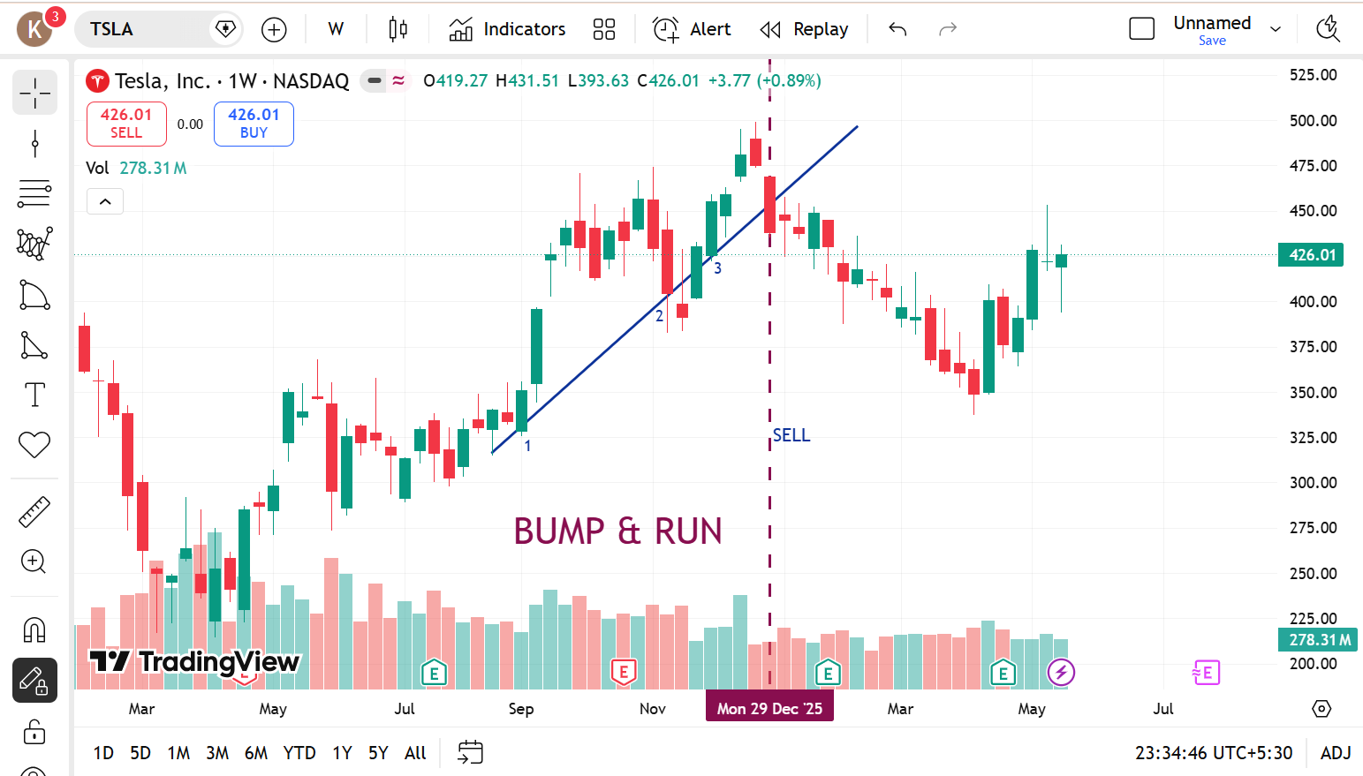

 |  | MICROSOFT |  | TESLA

SWING TRADING

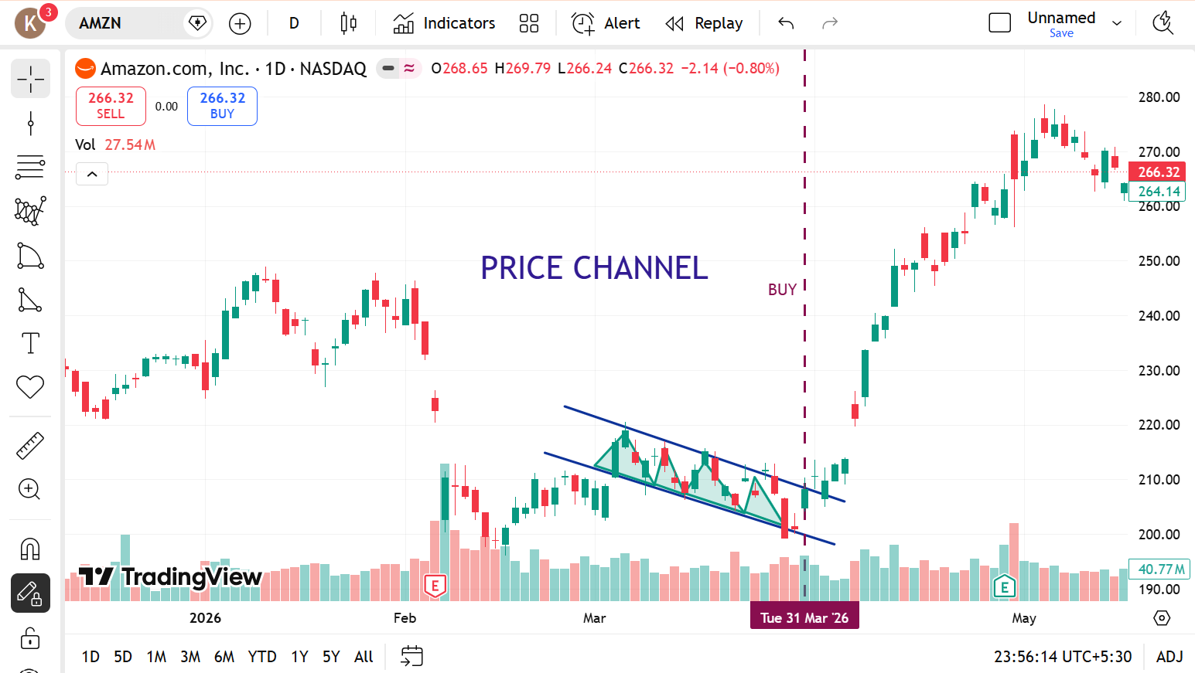
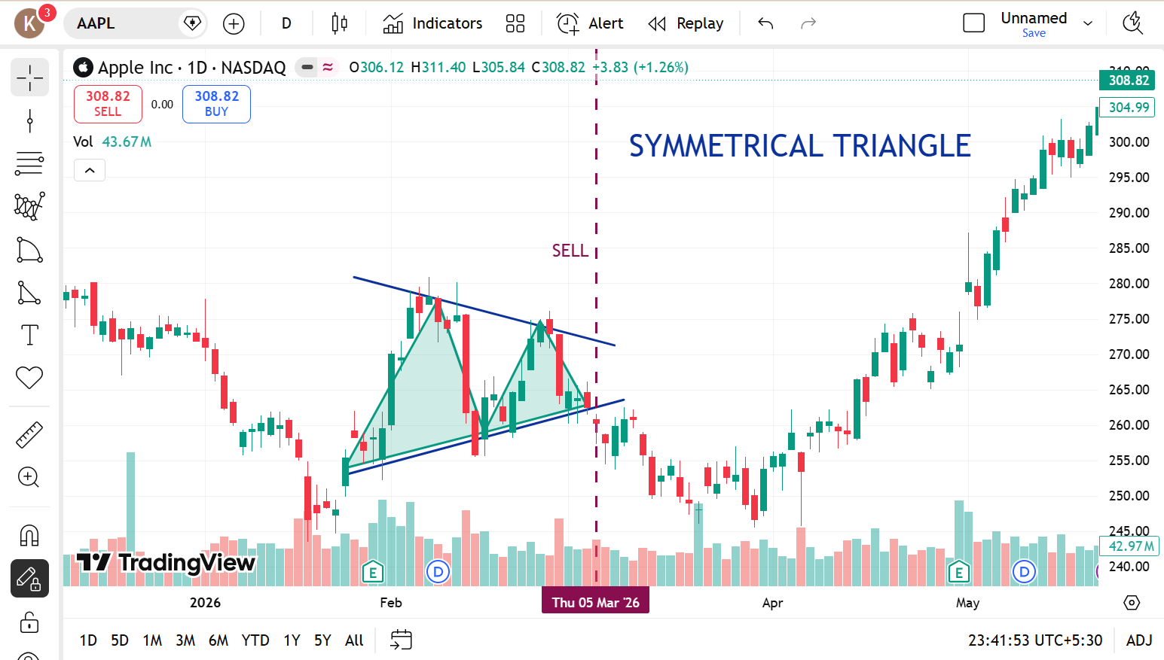
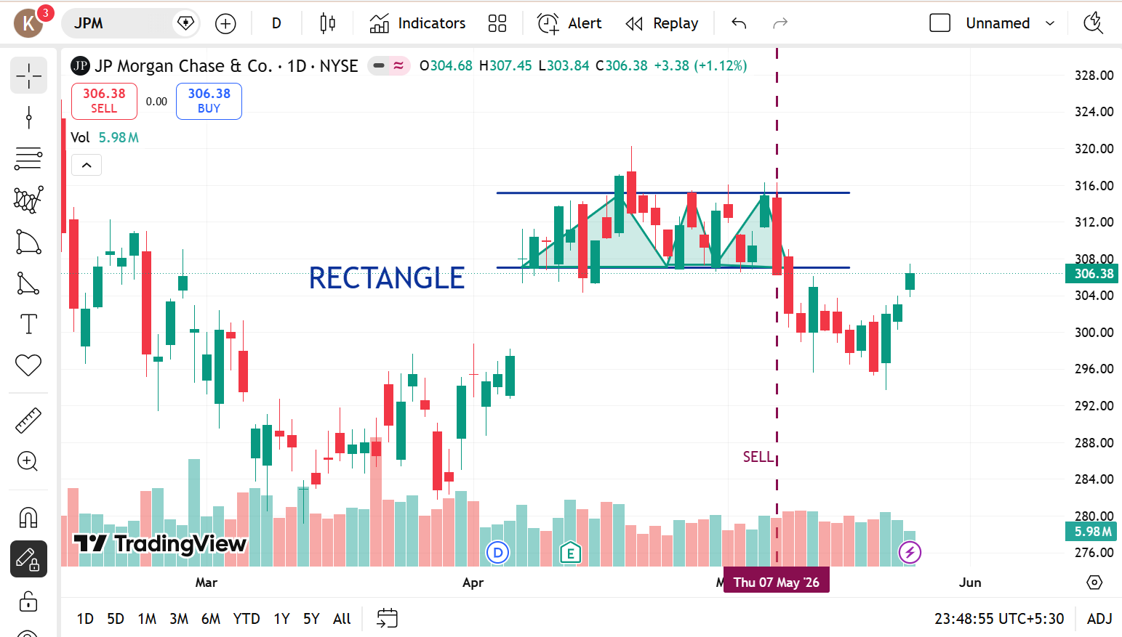

 | AMAZON |  | APPLE |  | JP MORGAN

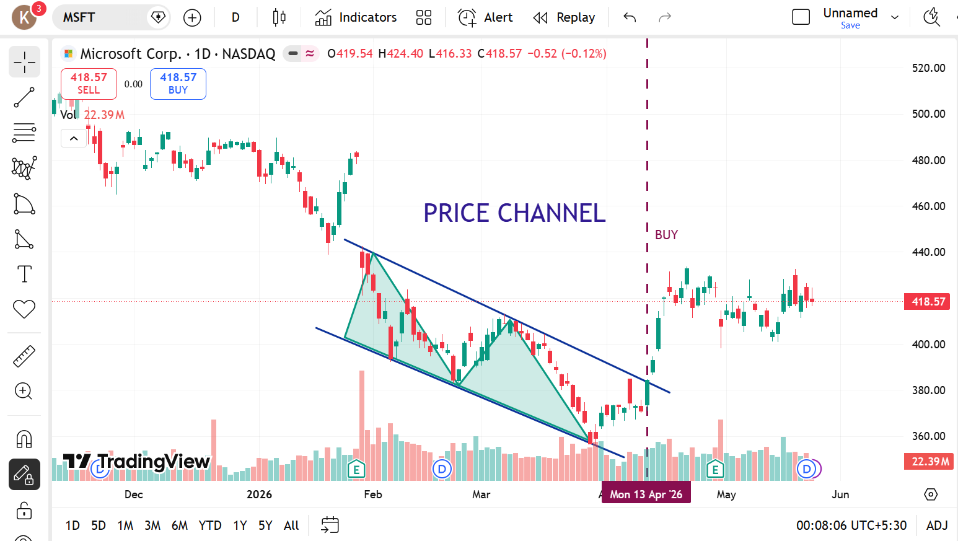
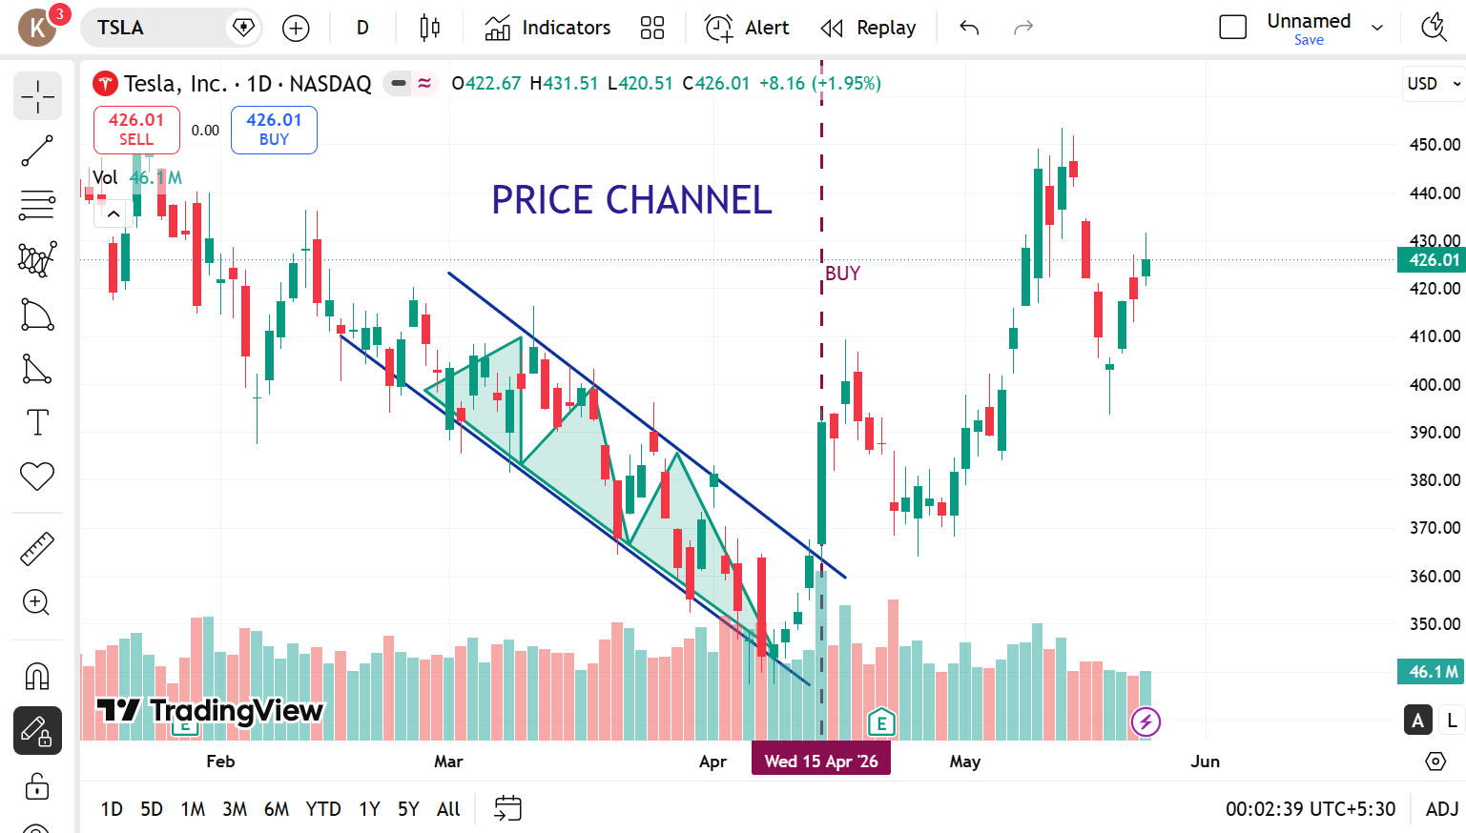

 |  | MICROSOFT |  | TESLA

SHORT TERM

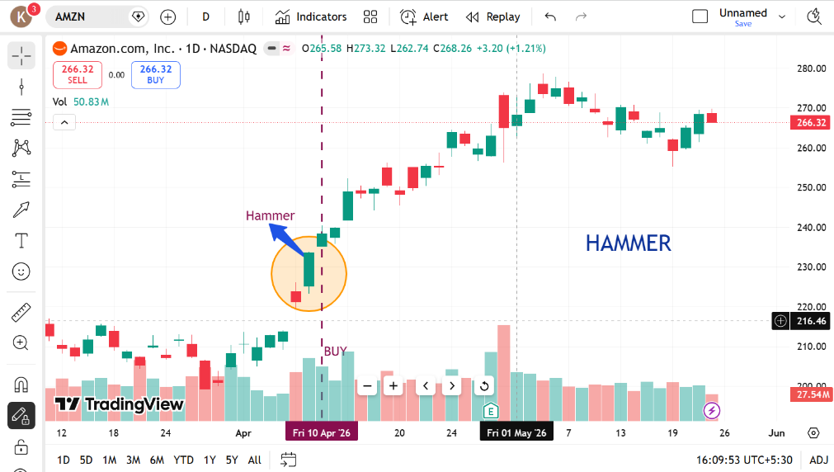
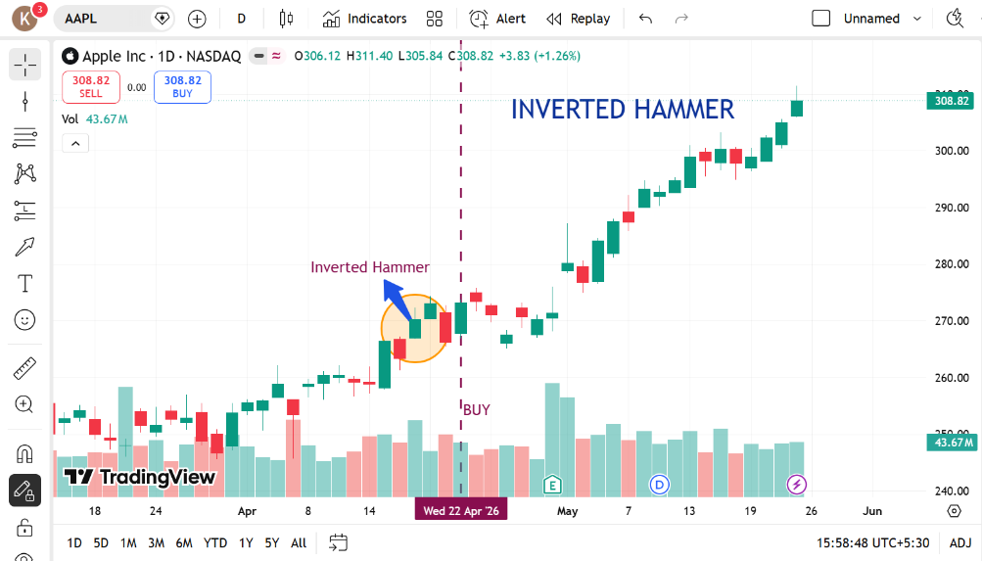
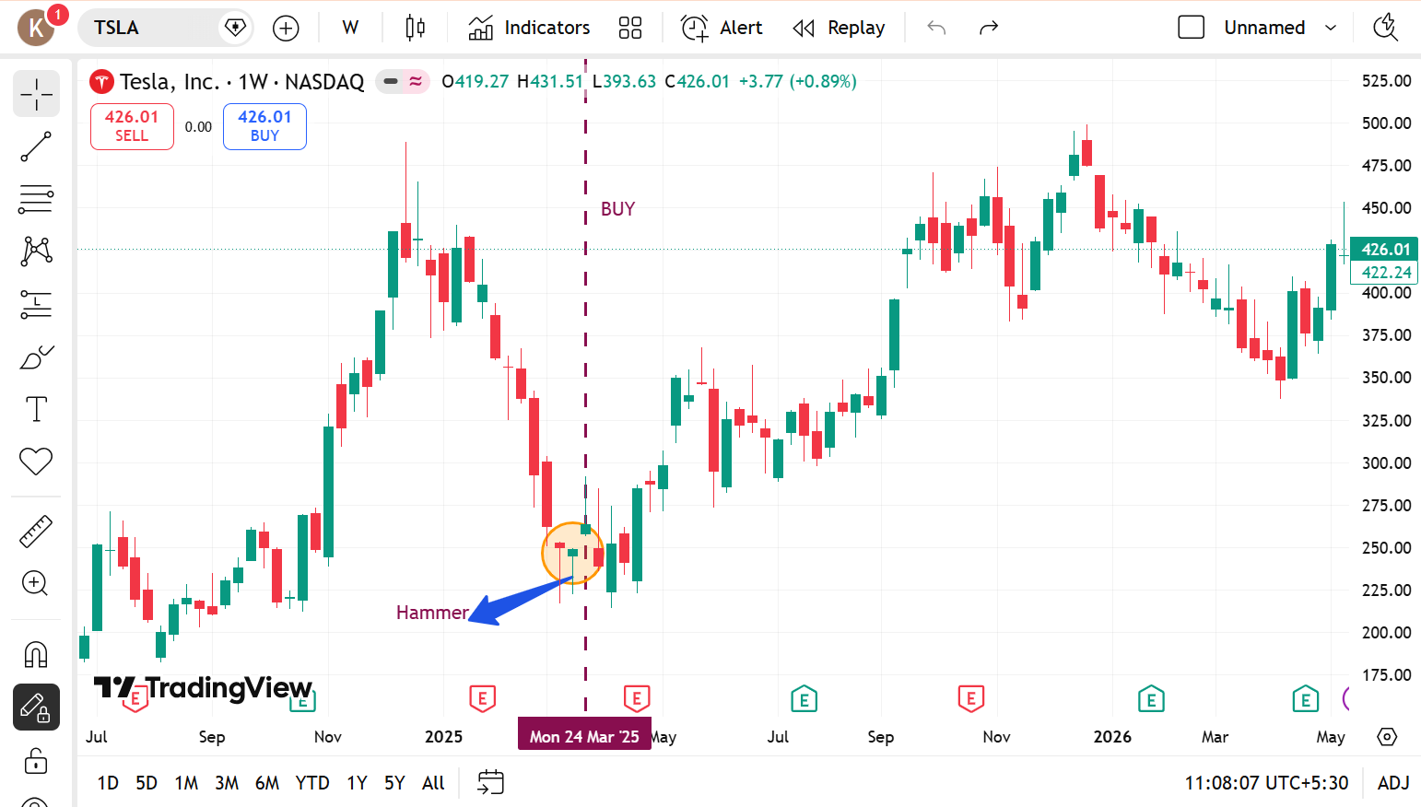

 | AMAZON |  | APPLE |  | TESLA

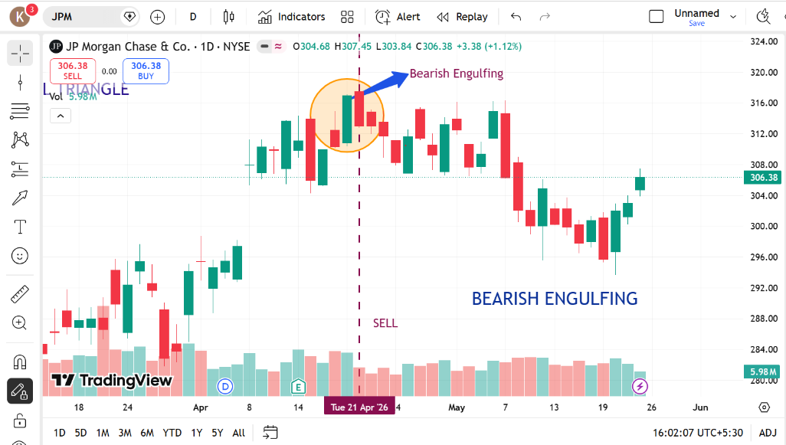
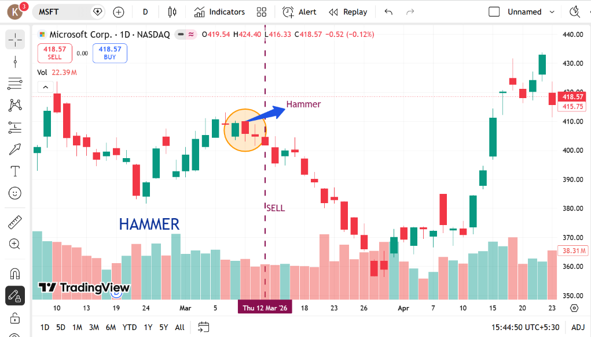

 |  | JP MORGAN |  | MICROSOFT

CURRENCY
LONG TERM

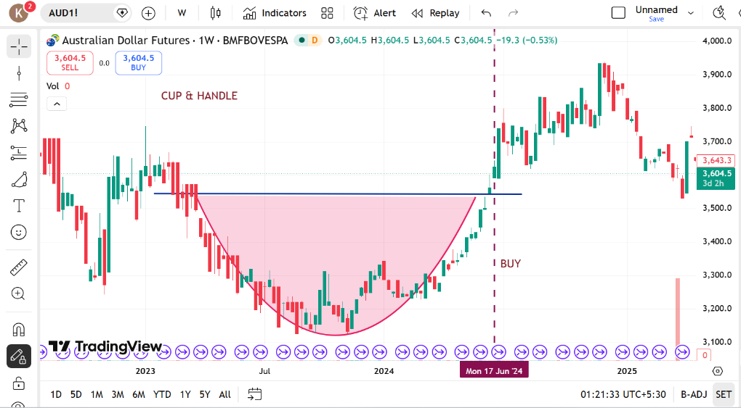
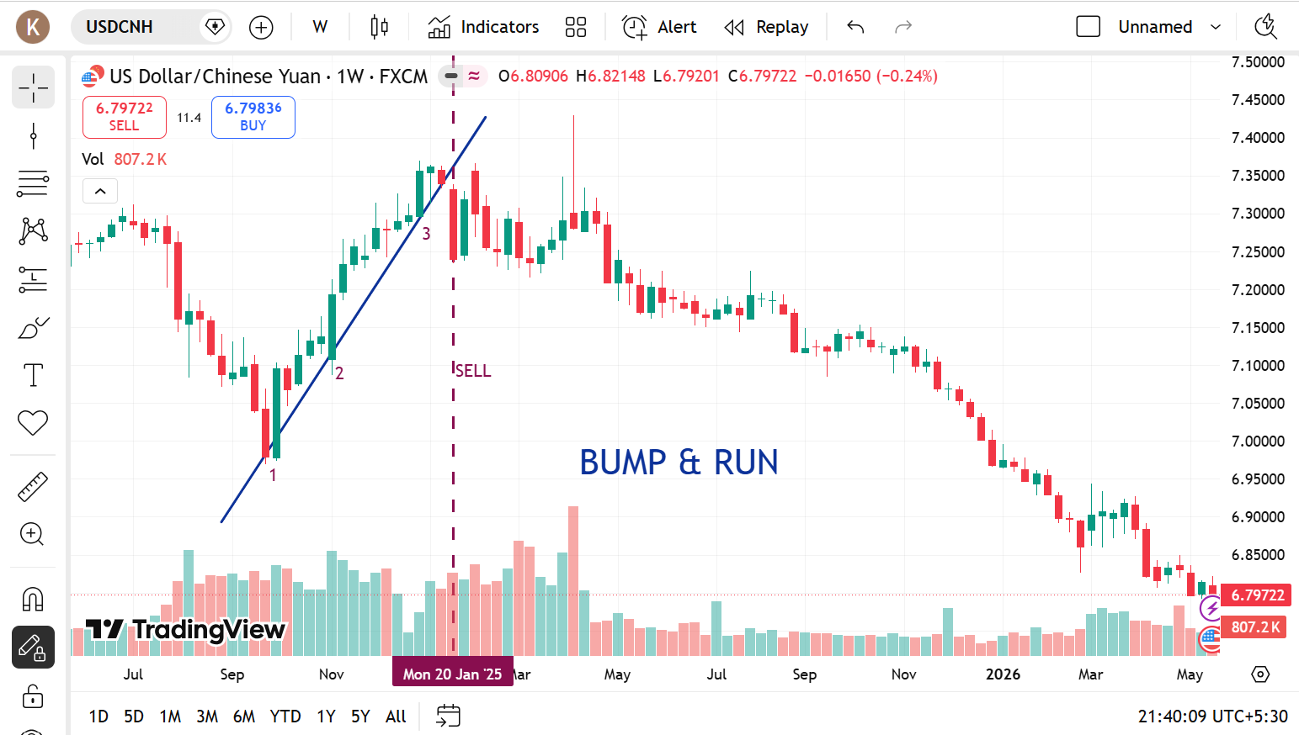
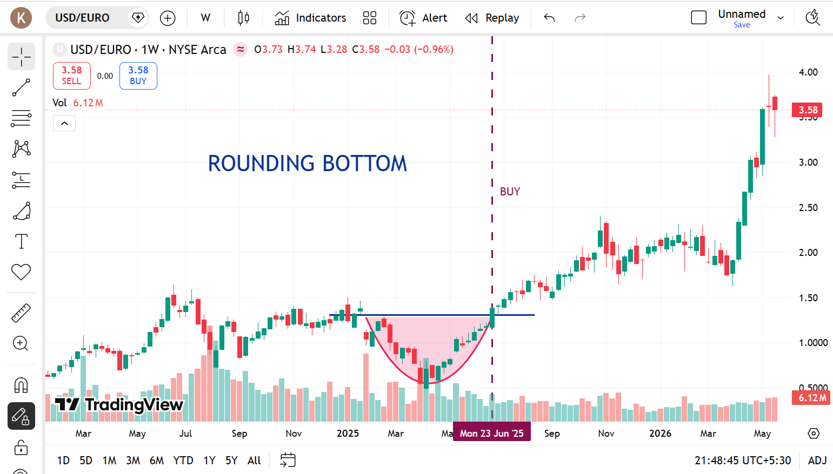

 | AUSTRALIAN DOLLAR |  | CHINESE YUAN |  | EURO

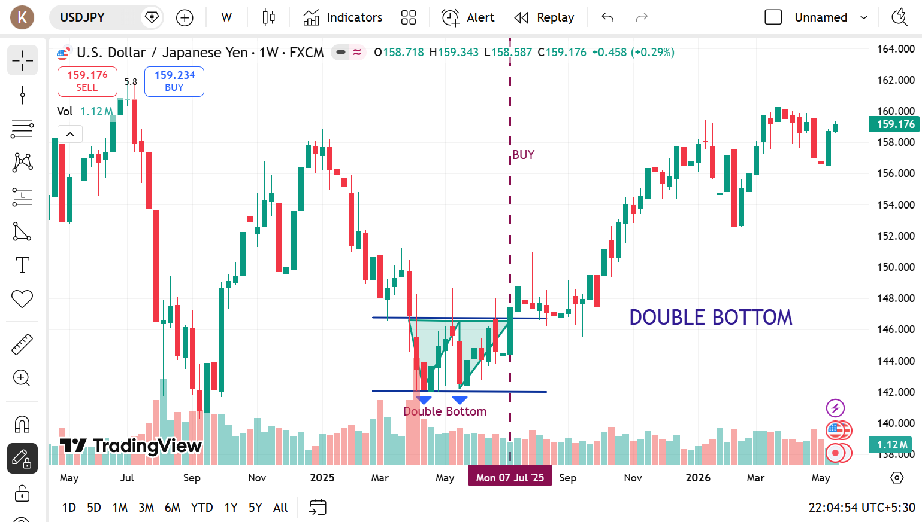
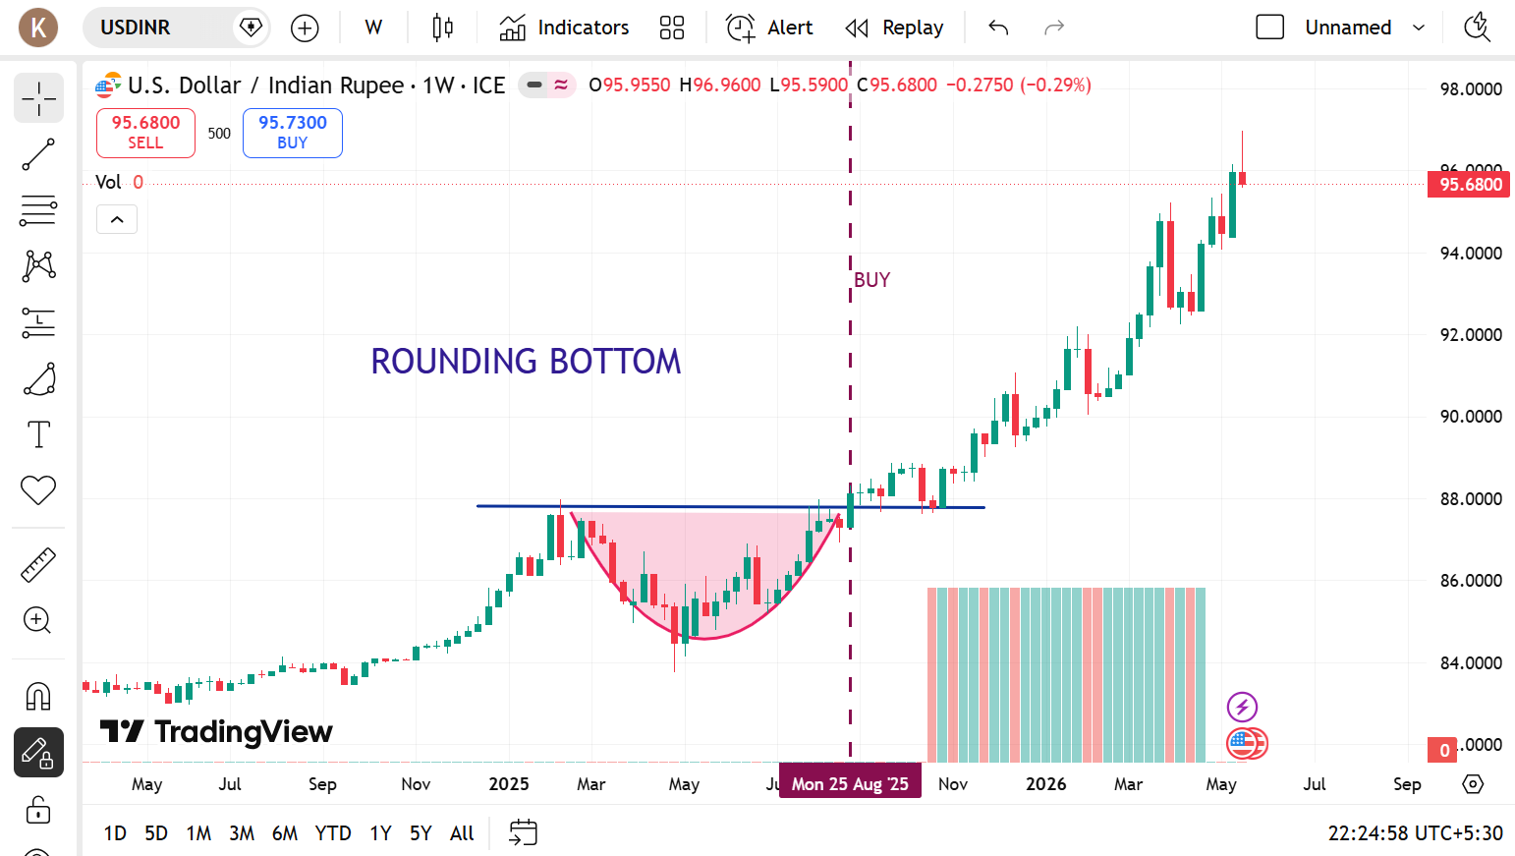

 |  | JAPANESE YEN |  | INDIAN RUPEE

SWING TRADING





 | AUSTRALIAN DOLLAR |  | CHINESE YUAN |  | EURO




 |  | JAPANESE YEN |  | INDIAN RUPEE

SHORT TERM





 | AUSTRALIAN DOLLAR |  | CHINESE YUAN |  | EURO




 |  | JAPANESE YEN |  | INDIAN RUPEE

